LDV Data
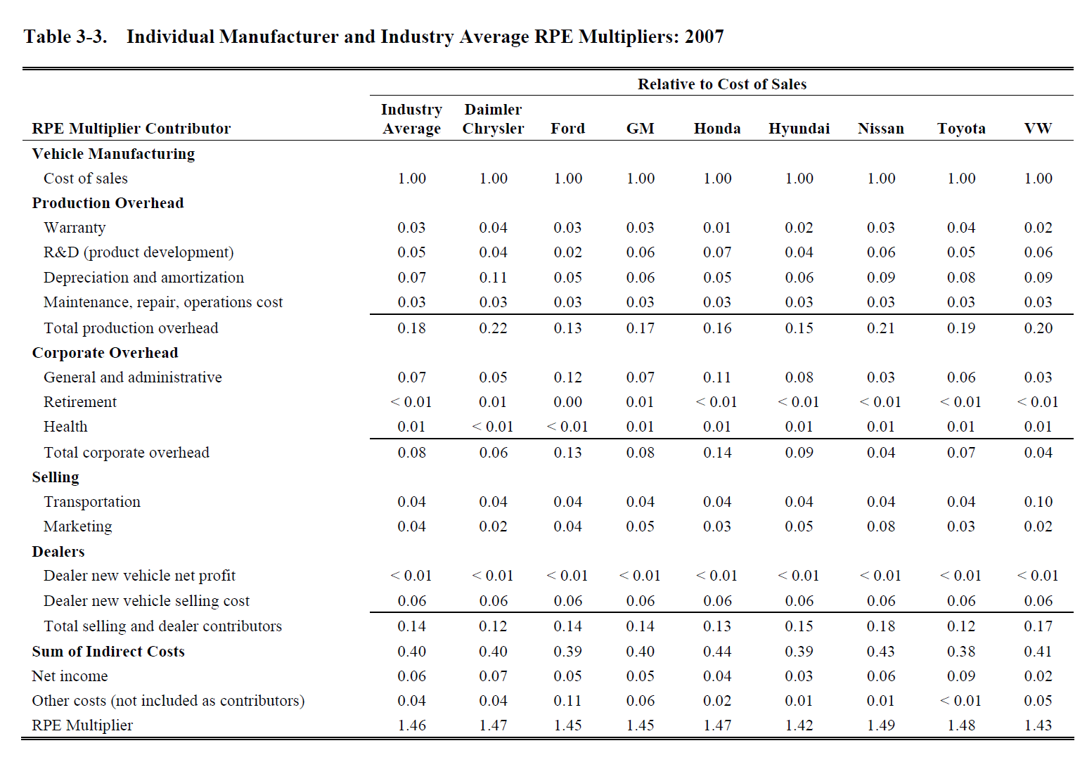
Category | Item | Industy Average Total | Industry Average RPE Only | ISIC Code
Vehicle Manufacturing | Cost of Sales | 1 | N/A
Production Overhead | Warranty | 0.03 | 0.065217391304 | ISIC 29
Production Overhead | R&D (product dev) | 0.05 | 0.10869565217 | ISIC 29
Production Overhead | Depreciation and amortization | 0.07 | 0.15217391304 | ISIC 29
Production Overhead | Maintenance, repair, operations cost | 0.03 | 0.065217391304 | ISIC 29
Corporate Overhead | General and aministrative | 0.07 | 0.15217391304 | ISIC 29
Corporate Overhead | Retirement | 0 | 0 | ISIC 29
Corporate Overhead | Health | 0.01 | 0.021739130435 | ISIC 29
Selling | Transportation | 0.04 | 0.086956521739 | ISIC 45T47
Selling | Marketing | 0.04 | 0.086956521739 | ISIC 45T47
Dealers | New vehicle net profit | 0 | 0 | ISIC 45T47
Dealers | New vehicle selling cost | 0.06 | 0.13043478261 | ISIC 45T47
Other | Net income | 0.06 | 0.13043478261 | ISIC 29

TOTAL |  | 1.46

ISIC 01T03 | {Agriculture, forestry and fishing}
ISIC 05 | {Coal mining}
ISIC 06 | {Oil and gas extraction}
ISIC 07T08 | {Mining and quarrying of non-energy producing products}
ISIC 09 | {Mining support service activities}
ISIC 10T12 | {Food products, beverages and tobacco}
ISIC 13T15 | {Textiles, wearing apparel, leather and related products}
ISIC 16 | {Wood and of products of wood and cork (except furniture)}
ISIC 17T18 | {Paper products and printing}
ISIC 19 | {Coke and refined petroleum products}
ISIC 20 | {Chemicals}
ISIC 21 | {Pharmaceuticals}
ISIC 22 | {Rubber and plastics products}
ISIC 231 | {Glass}
ISIC 239 | {Cement and other non-metallic minerals}
ISIC 241 | {Iron and steel}
ISIC 242 | {Other metals}
ISIC 25 | {Fabricated metal products, except machinery and equipment}
ISIC 26 | {Computer, electronic and optical products}
ISIC 27 | {Electrical equipment}
ISIC 28 | {Machinery and equipment n.e.c.}
ISIC 29 | {Motor vehicles, trailers and semi-trailers}
ISIC 30 | {Other transport equipment}
ISIC 31T33 | {Other manufacturing; repair and installation of machinery and equipment}
ISIC 351 | {Electricity generation and distribution}
ISIC 352T353 | {Energy pipelines and gas processing}
ISIC 36T39 | {Water and waste}
ISIC 41T43 | {Construction}
ISIC 45T47 | {Wholesale and retail trade; repair of motor vehicles}
ISIC 49T53 | {Transportation and storage}
ISIC 55T56 | {Accomodation and food services}
ISIC 58T60 | {Publishing, audiovisual and broadcasting activities}
ISIC 61 | {Telecommunications}
ISIC 62T63 | {IT and other information services}
ISIC 64T66 | {Financial and insurance activities}
ISIC 68 | {Real estate activities}
ISIC 69T82 | {Other business sector services}
ISIC 84 | {Public administration and defence; compulsory social security}
ISIC 85 | {Education}
ISIC 86T88 | {Human health and social work}
ISIC 90T96 | {Arts, entertainment, recreation and other service activities}
ISIC 97T98 | {Private households with employed persons}

HDV Data
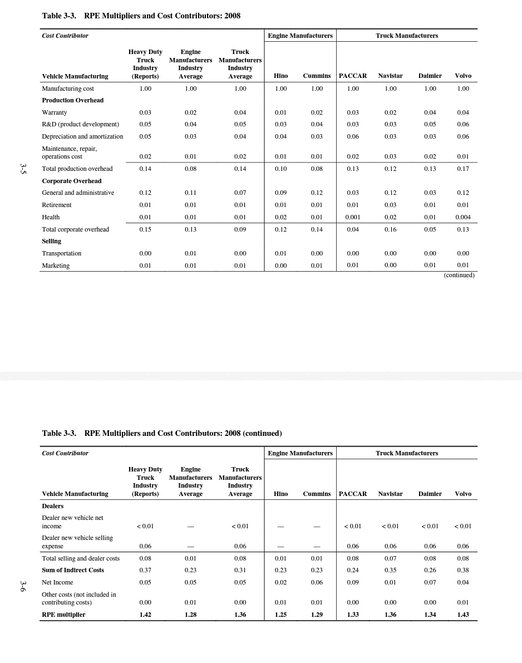
Category | Item | Trauck Manufacturers Industry Average | Industry Average RPE Only | ISIC Code
Vehicle Manufacturing | Manufacturing Cost | 1 | N/A
Production Overhead | Warranty | 0.04 | 0.11111111111 | ISIC 29
Production Overhead | R&D (product dev) | 0.05 | 0.13888888889 | ISIC 29
Production Overhead | Depreciation and amortization | 0.04 | 0.11111111111 | ISIC 29
Production Overhead | Maintenance, repair, operations cost | 0.02 | 0.055555555556 | ISIC 29
Corporate Overhead | General and aministrative | 0.07 | 0.19444444444 | ISIC 29
Corporate Overhead | Retirement | 0.01 | 0.027777777778 | ISIC 29
Corporate Overhead | Health | 0.01 | 0.027777777778 | ISIC 29
Selling | Transportation | 0 | 0 | ISIC 45T47
Selling | Marketing | 0.01 | 0.027777777778 | ISIC 45T47
Dealers | Dealer new vehicle net income | 0 | 0 | ISIC 45T47
Dealers | Dealer new vehicle selling expense | 0.06 | 0.16666666667 | ISIC 45T47
Other | Net income | 0.05 | 0.13888888889 | ISIC 29

TOTAL |  | 1.36

ISIC 01T03 | {Agriculture, forestry and fishing}
ISIC 05 | {Coal mining}
ISIC 06 | {Oil and gas extraction}
ISIC 07T08 | {Mining and quarrying of non-energy producing products}
ISIC 09 | {Mining support service activities}
ISIC 10T12 | {Food products, beverages and tobacco}
ISIC 13T15 | {Textiles, wearing apparel, leather and related products}
ISIC 16 | {Wood and of products of wood and cork (except furniture)}
ISIC 17T18 | {Paper products and printing}
ISIC 19 | {Coke and refined petroleum products}
ISIC 20 | {Chemicals}
ISIC 21 | {Pharmaceuticals}
ISIC 22 | {Rubber and plastics products}
ISIC 231 | {Glass}
ISIC 239 | {Cement and other non-metallic minerals}
ISIC 241 | {Iron and steel}
ISIC 242 | {Other metals}
ISIC 25 | {Fabricated metal products, except machinery and equipment}
ISIC 26 | {Computer, electronic and optical products}
ISIC 27 | {Electrical equipment}
ISIC 28 | {Machinery and equipment n.e.c.}
ISIC 29 | {Motor vehicles, trailers and semi-trailers}
ISIC 30 | {Other transport equipment}
ISIC 31T33 | {Other manufacturing; repair and installation of machinery and equipment}
ISIC 351 | {Electricity generation and distribution}
ISIC 352T353 | {Energy pipelines and gas processing}
ISIC 36T39 | {Water and waste}
ISIC 41T43 | {Construction}
ISIC 45T47 | {Wholesale and retail trade; repair of motor vehicles}
ISIC 49T53 | {Transportation and storage}
ISIC 55T56 | {Accomodation and food services}
ISIC 58T60 | {Publishing, audiovisual and broadcasting activities}
ISIC 61 | {Telecommunications}
ISIC 62T63 | {IT and other information services}
ISIC 64T66 | {Financial and insurance activities}
ISIC 68 | {Real estate activities}
ISIC 69T82 | {Other business sector services}
ISIC 84 | {Public administration and defence; compulsory social security}
ISIC 85 | {Education}
ISIC 86T88 | {Human health and social work}
ISIC 90T96 | {Arts, entertainment, recreation and other service activities}
ISIC 97T98 | {Private households with employed persons}

